Sheet1
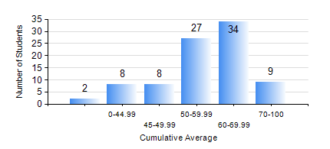
 |  |  | KWAME NKRUMAH UNIVERSITY OF SCIENCE AND TECHNOLOGY, KUMASI Department of Materials Engineering

 |  |  | BSC. METALLURGICAL ENG.

 |  |  | COMPREHENSIVE RECORD OF EXAMINATION RESULTS

 |  |  | RESULTS OF YEAR 2 SECOND SEMESTER, 2024/2025 ACADEMIC YEAR

 | Sn | Course Code |  | Course Name | Credit Hours | Min. Mark | Max. Mark | Avg. Mark | Std. Dev. | No. Passed | No. Trailed | No. (Df) | No. (I) | No. (I*) | No. Tagged(I,I*,Df) | Total
 | 0. |  |  |  |  |  |  | 0 | 0 | 0 | 0 | 0 | 0 | 0 | 0 | 1
 | 1. | MATH 252 |  | CALCULUS WITH SEVERAL VARIABLES | 4 | 21 | 85 | 56 | 10.58 | 86 | 1 | 0 | 0 | 0 | 0 | 87
 | 2. | METE 252 |  | METALLURGICAL RATE PROCESSES/SURFACE PHENOMENA | 3 | 28 | 92 | 59 | 14.98 | 74 | 13 | 0 | 0 | 0 | 0 | 87
 | 3. | METE 254 |  | ORE BENEFICIATION | 4 | 34 | 85 | 64 | 8.72 | 86 | 1 | 0 | 0 | 0 | 0 | 87
 | 4. | METE 256 |  | ASSAYING | 2 | 43 | 87 | 66 | 9.06 | 87 | 0 | 0 | 0 | 0 | 0 | 87
 | 5. | METE 258 |  | COMPUTER PROGRAMMING AND APPLICATIONS | 2 | 40 | 94 | 59 | 10.71 | 87 | 0 | 0 | 0 | 0 | 0 | 87
 | 6. | MSE 252 |  | HEAT AND MASS TRANSPORT | 3 | 22 | 89 | 55 | 12.26 | 84 | 3 | 0 | 0 | 0 | 0 | 87
 | 7. | MSE 260 |  | PHASE TRANSFORMATIONS | 2 | 23 | 94 | 54 | 15.33 | 76 | 11 | 0 | 0 | 0 | 0 | 87

